Hiearchy View
CLASS: STORECASTER
e audio playback system specifically designed for Message-OnHold and Storecasting applications. The system allows music and marketing messages while clients are waiting on-hold or in your retail location. |  | 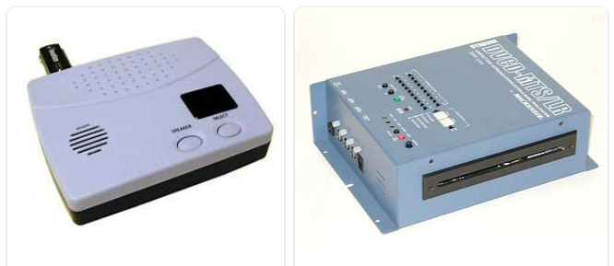
REMOVE | N

PROBLEM_DESC | CAUSE_DESC | REMEDY_DESC
BROKEN/DAMAGED
NOISE
OTHER PROBLEM
OVERHEATING
POWER-ELEC
STOPPED/SLOWED/POOR OPS
TEMP-CTRL
VIBRATION
Grand Total

